Sapphire Reserve
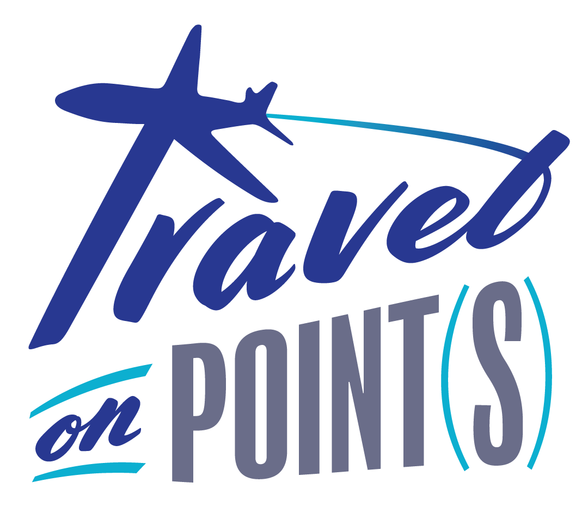

Benefits Tracker
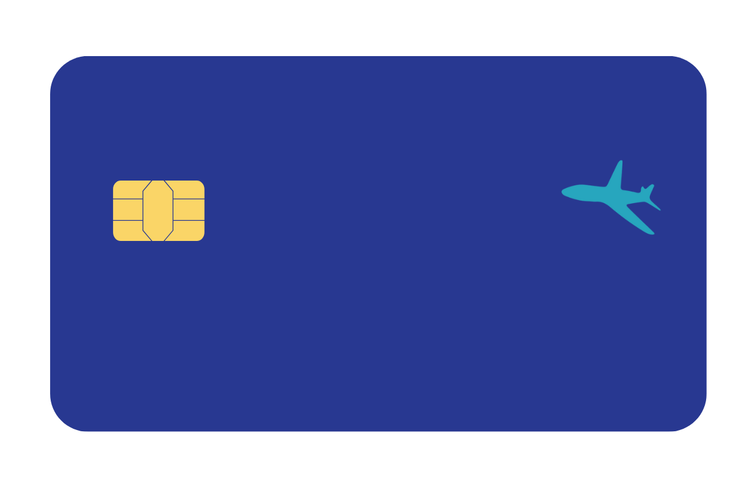

Card
Chase Sapphire Reserve

Annual fee
$795
Credits used
$0

Credit | Amount | Status | Completion date
Hotels
The Edit (Annual as of 2026) | $250 | FALSE
The Edit (Annual as of 2026) | $250 | FALSE
Chase Travel Hotels (select brands) | $250 | FALSE

Travel
Annual statement credit | $300 | FALSE

Dining
Semiannual credits
OpenTable Exclusive Tables (January-June) | $150 | FALSE
OpenTable Exclusive Tables (July-December) | $150 | FALSE

StubHub and Viagogo
Semiannual credits
Credit 1 (January-June) | $150 | FALSE
Credit 2 (July-December) | $150 | FALSE

Apple Subscriptions
Annual subscriptions
Apple TV+ | $156.00 | FALSE
Apple Music | $132.00 | FALSE

Peloton
Monthly membership credits ($10/month)
Peloton membership | $120.00 | FALSE

Global Entry or TSA PreCheck®
Membership - every 4 or 4.5. years | $120 | FALSE
 |  | FALSE
DoorDash
DashPass membership | $120 | FALSE
Monthly non-restaurant credits
2025-01-01 | $10 | FALSE
2025-01-02 | $10 | FALSE
2025-02-01 | $10 | FALSE
Febuary - 2 | $10 | FALSE
2025-03-01 | $10 | FALSE
2025-03-02 | $10 | FALSE
2025-04-01 | $10 | FALSE
2025-04-02 | $10 | FALSE
2025-05-01 | $10 | FALSE
2025-05-02 | $10 | FALSE
2025-06-01 | $10 | FALSE
2025-06-02 | $10 | FALSE
2025-07-01 | $10 | FALSE
2025-07-02 | $10 | FALSE
2025-08-01 | $10 | FALSE
2025-08-02 | $10 | FALSE
2025-09-01 | $10 | FALSE
2025-09-02 | $10 | FALSE
2025-10-01 | $10 | FALSE
2025-10-02 | $10 | FALSE
2025-11-01 | $10 | FALSE
2025-11-01 | $10 | FALSE
2025-12-01 | $10 | FALSE
2025-12-02 | $10 | FALSE
Monthly restaurant credits
January | $5 | FALSE
February | $5 | FALSE
March | $5 | FALSE
April | $5 | FALSE
May | $5 | FALSE
June | $5 | FALSE
July | $5 | FALSE
August | $5 | FALSE
September | $5 | FALSE
October | $5 | FALSE
November | $5 | FALSE
December | $5 | FALSE

Lyft
January | $10 | FALSE
February | $10 | FALSE
March | $10 | FALSE
April | $10 | FALSE
May | $10 | FALSE
June | $10 | FALSE
July | $10 | FALSE
August | $10 | FALSE
September | $10 | FALSE
October | $10 | FALSE
November | $10 | FALSE
December | $10 | FALSE

High Spend Credits
Must spend $75,000+ in eligible purchases per year
Southwest credit (booked through Chase Travel) | $500 | FALSE
The Shops at Chase | $250 | FALSE
IHG Diamond Elite Status |  | FALSE
Southwest Airlines A-List status |  | FALSE

Other Benefits
Complimentary IHG One Rewards Platinum Elite status |  | FALSE
Priority Pass Select membership |  | FALSE
Chase Sapphire Lounges by The Club access |  | FALSE

Blank Card
Benefits Tracker
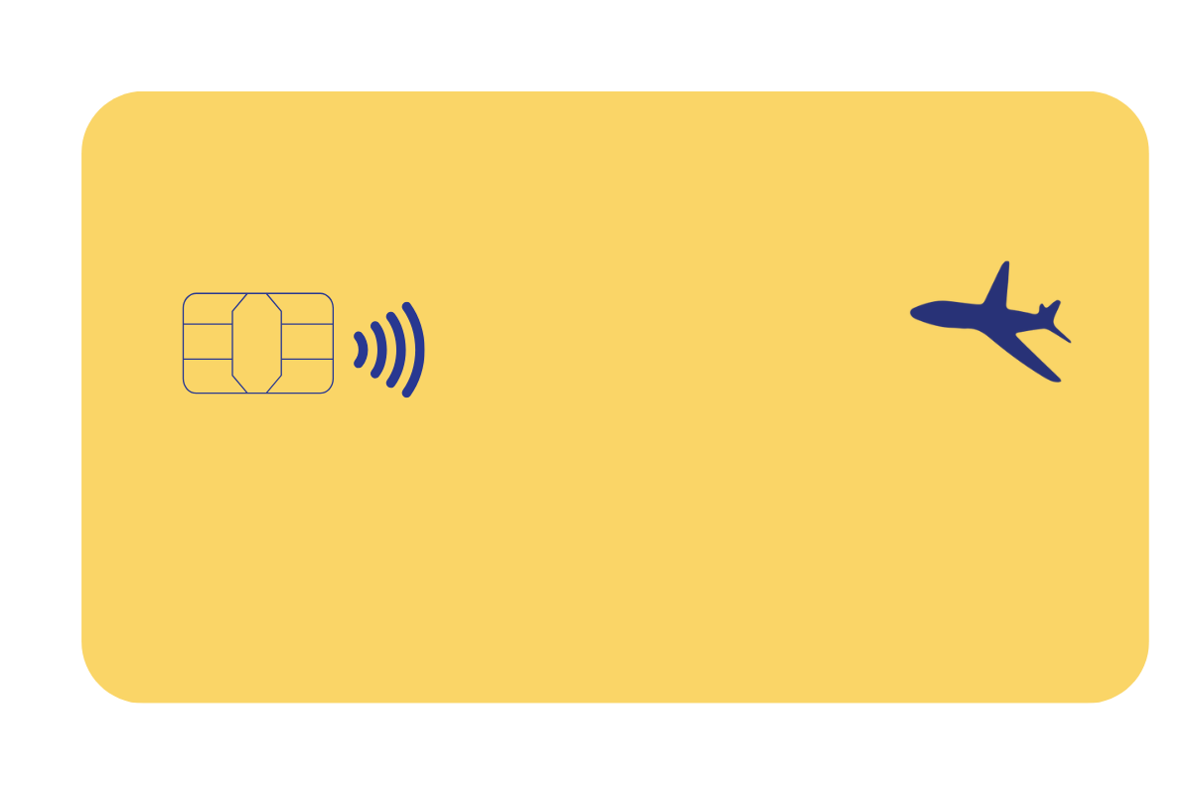

Card
Card Name

Annual fee
$0
Credits Used
$0

Credit | Amount | Status | Completion date
Category
Details of credit |  | FALSE
Details of credit |  | FALSE

Category
Details of credit |  | FALSE
Details of credit |  | FALSE

Category
Details of credit |  | FALSE
Details of credit |  | FALSE

Category
Details of credit |  | FALSE
Details of credit |  | FALSE

Category
Details of credit |  | FALSE
Details of credit |  | FALSE

Category
Details of credit |  | FALSE
Details of credit |  | FALSE

Category
Details of credit |  | FALSE
Details of credit |  | FALSE

