Platinum


Benefits Tracker


Card
Amex Platinum

Annual fee
$895
Credits Used
$0

Credit | Amount | Status | Completion date
Hotels
FHR & THC (January-June) | $300 | FALSE
FHR & THC (July-December) | $300 | FALSE

Airline
Fee credit with selected airline - Annual | $200 | FALSE

Dining
Resy - Q1 | $100 | FALSE
Resy - Q2 | $100 | FALSE
Resy - Q3 | $100 | FALSE
Resy - Q4 | $100 | FALSE

Uber
Uber One membership | $120 | FALSE
Monthly credits
January | $15 | FALSE
February | $15 | FALSE
March | $15 | FALSE
April | $15 | FALSE
May | $15 | FALSE
June | $15 | FALSE
July | $15 | FALSE
August | $15 | FALSE
September | $15 | FALSE
October | $15 | FALSE
November | $15 | FALSE
December | $15 | FALSE
December | $20 | FALSE

Digital Entertainment
Monthly credits
January | $25 | FALSE
February | $25 | FALSE
March | $25 | FALSE
April | $25 | FALSE
May | $25 | FALSE
June | $25 | FALSE
July | $25 | FALSE
August | $25 | FALSE
September | $25 | FALSE
October | $25 | FALSE
November | $25 | FALSE
December | $25 | FALSE

Lululemon
Lululemon - Q1 | $75 | FALSE
Lululemon - Q2 | $75 | FALSE
Lululemon - Q3 | $75 | FALSE
Lululemon - Q4 | $75 | FALSE

ŌURA
Ring purchase - annual credit | $200 | FALSE

Equinox
Membership or digital subscription | $300 | FALSE

CLEAR+
Membership - annual | $209 | FALSE

Global Entry or TSA PreCheck®
Membership - every 4 or 4.5. years | $120 | FALSE

Walmart+
Membership - monthly credits
January | $12.95 | FALSE
February | $12.95 | FALSE
March | $12.95 | FALSE
April | $12.95 | FALSE
May | $12.95 | FALSE
June | $12.95 | FALSE
July | $12.95 | FALSE
August | $12.95 | FALSE
September | $12.95 | FALSE
October | $12.95 | FALSE
November | $12.95 | FALSE
December | $12.95 | FALSE

Other Benefits
Complimentary Gold status with Hilton Honors |  | FALSE
Complimentary Gold status with Marriott Bonvoy |  | FALSE
Complimentary Leaders Club Sterling Status with The Leading Hotels of the World® |  | FALSE
Priority Pass Select membership |  | FALSE
Centurion Lounge access
Delta Sky Club access (up to 10 visits/year)
Optional - check off Delta club visits (and/or other lounge visits) below
 |  | FALSE
 |  | FALSE
 |  | FALSE
 |  | FALSE
 |  | FALSE
 |  | FALSE
 |  | FALSE
 |  | FALSE
 |  | FALSE
 |  | FALSE

Blank Card
Benefits Tracker

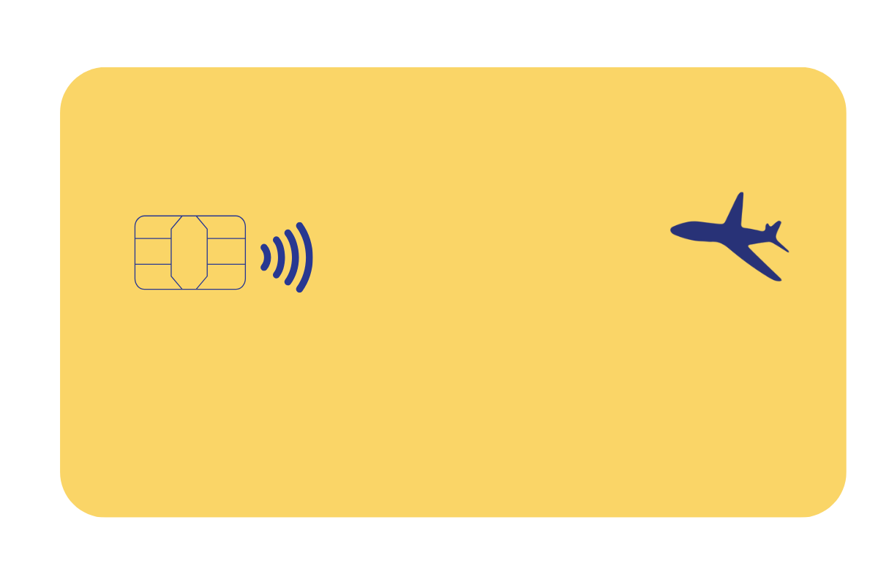
Card
Card Name

Annual fee
$0
Credits Used
$0

Credit | Amount | Status | Completion date
Category
Details of credit |  | FALSE
Details of credit |  | FALSE

Category
Details of credit |  | FALSE
Details of credit |  | FALSE

Category
Details of credit |  | FALSE
Details of credit |  | FALSE

Category
Details of credit |  | FALSE
Details of credit |  | FALSE

Category
Details of credit |  | FALSE
Details of credit |  | FALSE

Category
Details of credit |  | FALSE
Details of credit |  | FALSE

Category
Details of credit |  | FALSE
Details of credit |  | FALSE

